01-23-16 Private Sector
01/23/16 @ 0900 | Confidential Information Note |  |  | NOTE - Information in this document is for operational use only. These are approximate numbers for fleet movement ONLY. This Information does not replace any information exchange between Private Sector and it's local jurisdiction its serves. This information is not used for any media releases. Each company is responsible for their media releases that is shared with their Jurisdictions.
Responding States (Private Sector Resources) |  |  |  | US CAN | Pass Through States |  |  |  |  |  |  |  |  |  |  |  |  |  |  |  |  |  | Pass Through Possible Impacted States |  |  |  |  |  |  | Requesting States (Private Sector)
States | Departure Date | ETA | Intra Inter | Cross | AL | GA | SC | IN | MO | KY | LA | MS | AR | TN | IN | OH | DE | NY | NJ | NH | VT | MA | NC | VA | WV | PA | MD | DC | NY (LI) | State
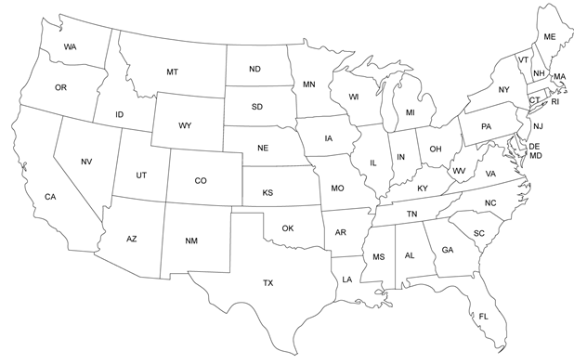
Canada
South Carolina | 2016-01-21 | 1/22 - 1/23 | Intra |  |  |  |  |  |  |  |  |  |  |  |  |  |  |  |  |  |  |  | X | X |  |  |  | X |  | District of Columbia
New York | 2016-01-21 | 1/22 - 1/23 | Intra |  |  |  |  |  |  |  |  |  |  |  |  |  | X |  |  |  |  |  |  |  |  | X | X | X |  | District of Columbia
Connecticut | 2016-01-21 | 2016-01-23 | Intra |  |  |  |  |  |  |  |  |  |  |  |  |  | X | X | X |  |  |  |  |  |  | X | X | X |  | District of Columbia
Maine | 2016-01-21 | 2016-01-23 | Intra |  |  |  |  |  |  |  |  |  |  |  |  |  |  | X | X | X | X | X |  |  |  | X | X | X |  | District of Columbia
Illinois | 2016-01-21 | 2016-01-23 | Intra |  |  |  |  |  |  | X |  |  |  |  |  |  |  |  |  |  |  |  |  | X | X |  | X | X |  | Maryland
New Jersey | 2016-01-22 | 2016-01-23 | Intra |  |  |  |  |  |  |  |  |  |  |  |  |  | X |  |  |  |  |  |  |  |  |  | X | X |  | Maryland
New York | 2016-01-22 | 2016-01-23 | Intra |  |  |  |  |  |  |  |  |  |  |  |  |  | X |  |  |  |  |  |  |  |  | X | X | X |  | Maryland
Maine | 2016-01-22 | 2016-01-23 | Intra |  |  |  |  |  |  |  |  |  |  |  |  |  |  | X | X | X | X | X |  |  |  | X | X | X |  | Maryland
New York | 2016-01-22 | 2016-01-23 | Intra |  |  |  |  |  |  |  |  |  |  |  |  |  |  | X |  |  |  |  |  |  |  |  |  |  | X | New York - Long Island
New England | 2016-01-22 | 2016-01-23 | Intra |  |  |  |  |  |  |  |  |  |  |  |  |  |  | X |  | X | X | X |  |  |  |  |  |  | X | New York - Long Island
Canada | 2016-01-22 | 2016-01-23 | Intra | X |  |  |  |  |  |  |  |  |  |  |  |  |  | X |  |  |  |  |  |  |  |  |  |  | X | New York - Long Island
Florida | 1/20- 1/21 | 1/21-1/22 | Intra |  |  | X | X |  |  |  |  |  |  |  |  |  |  |  |  |  |  |  | X | X |  |  |  |  |  | North Carolina
Alabama | 2016-01-21 | 2016-01-23 | Intra |  | X | X | X |  |  |  |  |  |  |  |  |  |  |  |  |  |  |  | X |  |  |  |  |  |  | North Carolina
Mississippi | 2016-01-21 | 2016-01-23 | Intra |  | X | X | X |  |  |  |  |  |  |  |  |  |  |  |  |  |  |  | X |  |  |  |  |  |  | North Carolina
Texas | 2016-01-21 | 2016-01-23 | Intra |  | X | X | X |  |  |  | X | X |  |  |  |  |  |  |  |  |  |  | X |  |  |  |  |  |  | North Carolina
Oklahoma | 2016-01-21 | 2016-01-23 | Intra |  |  |  |  |  |  |  |  |  | X | X |  |  |  |  |  |  |  |  | X |  |  |  |  |  |  | North Carolina
Arkansas | 2016-01-21 | 2016-01-23 | Intra |  |  |  |  |  |  |  |  |  |  | X |  |  |  |  |  |  |  |  | X |  |  |  |  |  |  | North Carolina
Georgia | 2016-01-21 | 1/22 - 1/23 | Intra |  |  |  | X |  |  |  |  |  |  |  |  |  |  |  |  |  |  |  | X |  |  |  |  |  |  | North Carolina
Indiana | 2016-01-21 | 2016-01-23 | Intra |  |  |  |  | X | X | X |  |  |  |  |  |  |  |  |  |  |  |  | X | X |  |  |  |  |  | North Carolina
Ohio | 2016-01-21 | 1/22 - 1/23 | Intra |  |  |  |  |  |  |  |  |  |  |  |  |  |  |  |  |  |  |  | X | X | X |  |  |  |  | North Carolina
Kentucky | 2016-01-21 | 2016-01-22 | Intra |  |  |  |  |  |  |  |  |  |  | X |  |  |  |  |  |  |  |  | X | X |  |  |  |  |  | North Carolina
Illinois | 2016-01-21 | 2016-01-23 | Intra |  |  |  |  |  |  |  |  |  |  |  | X | X |  |  |  |  |  |  |  |  | X | X |  |  |  | Pennsylvania
South Carolina | 1/20- 1/21 | 1/21-1/22 | Intra |  |  |  |  |  |  |  |  |  |  |  |  |  |  |  |  |  |  |  | X | X |  |  |  |  |  | Virginia
Ohio | 2016-01-21 | 1/22 - 1/23 | Intra |  |  |  |  |  |  |  |  |  |  |  |  |  |  |  |  |  |  |  |  | X | X |  |  |  |  | Virginia
Alabama | 2016-01-21 | 2016-01-23 | Intra |  |  | X | X |  |  |  |  |  |  |  |  |  |  |  |  |  |  |  | X | X |  |  |  |  |  | Virginia
Kentucky | 2016-01-21 | 1/22 - 1/23 | Intra |  |  |  |  |  |  | X |  |  |  |  |  |  |  |  |  |  |  |  |  | X |  |  |  |  |  | Virginia
Ohio | 1/20- 1/21 | 1/21-1/22 | Intra |  |  |  |  |  |  |  |  |  |  |  |  |  |  |  |  |  |  |  |  |  | X |  |  |  |  | West Virginia
Kentucky | 2016-01-21 | 1/22 - 1/23 | Intra |  |  |  |  |  |  |  |  |  |  |  |  |  |  |  |  |  |  |  |  |  | X |  |  |  |  | West Virginia

